U-GREEN LABEL Application Form
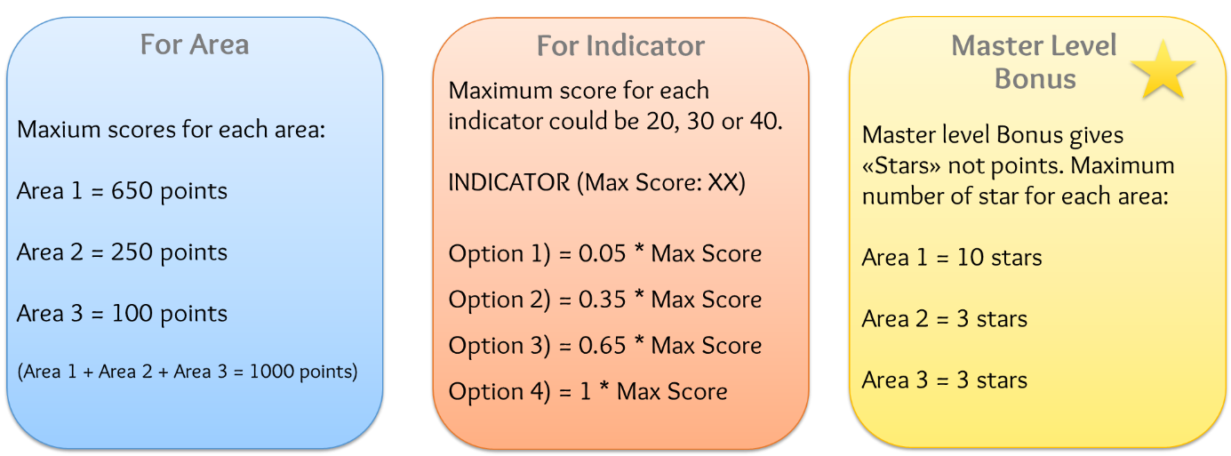
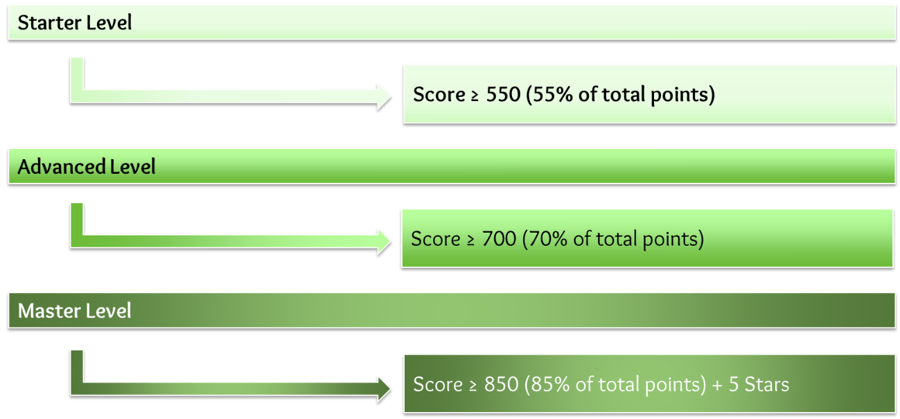
U-GREEN LABEL CHECKLIST APPLICATION FORM (R-2)

There are four main categories in the U-Green Label checklist:
· AREA 0: General information
· AREA 1: Infrastructure and resources
· AREA 2: Administrative management, teaching and learning
· AREA 3: Community engagements and awareness
These areas are divided into several topics, with a list of criteria (or standards). For each criteria there is a set of indicators, with a short description: the institution could choose between four available options.
The maximum points are specified for each indicator.
N.B. The reference period considered for data collection is the last 12 months for which data is available and it could coincide with the solar year (January - December) or the academic year.
N.B. For each indicator EVIDENCE are required. The institution must provide a PDF file (max 2 MB) that includes graphs, documents, pictures, websites, or links that demonstrate the chosen option.

